Plan
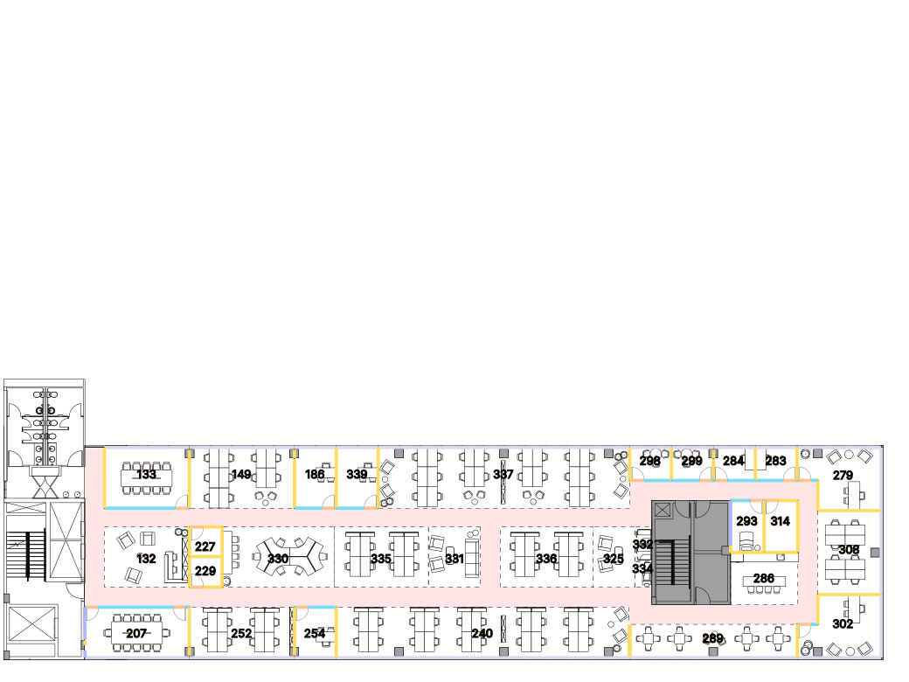

Wall type
 | Drywall
 | Half Drywall
 | Glass
 | Core
 | Perimeter windows
 | Perimeter wall
 | Door_length

Inventory
Room Image | Floor | Department | Space Type | Subcategory | Room ID | Program Room Name | Headcount | Area (m2) | Area (sqf) | Floor Material | Ceiling Material | Furniture Elements
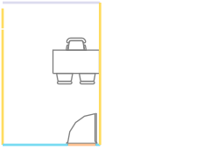 | 1 | GENERAL | Office - Receiving Guests | manager | 186 | office_m | 1 | 12.58 | 135.36 | Carpet Light Gray | Drywall | Desk Table W70 X L140: 1, Executive Chairs W58 X L60: 1
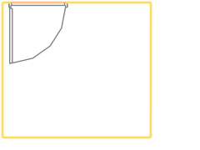 | 1 | GENERAL | IT Room | itroom | 227 | IT | 0 | 4.79 | 51.54 | Carpet Light Gray | Drywall
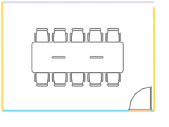 | 1 | GENERAL | Conference | conference | 133 | conference_l | 10 | 25.53 | 274.70 | Carpet Light Gray | Drywall | Conference Table W120 X L360: 1, Conference Chairs W58 X L55: 10
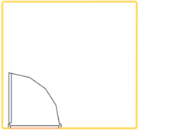 | 1 | GENERAL | Other | storage | 229 | Mail Room | 0 | 4.9 | 52.72 | Carpet Light Gray | Drywall
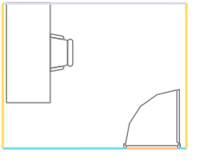 | 1 | GENERAL | Conference | focus | 283 | focus room | 1 | 6.83 | 73.49 | Carpet Light Gray | Drywall | Workstation Table W70 X L160: 1
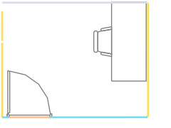 | 1 | GENERAL | Conference | focus | 284 | focus room | 1 | 6.83 | 73.49 | Carpet Light Gray | Drywall | Workstation Table W70 X L160: 1
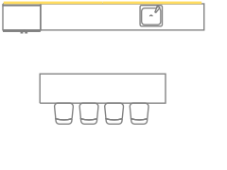 | 1 | GENERAL | Kitchen | employeelounge | 286 | lounge_d700 | 4 | 17.3 | 186.15 | Parquet Herringbone - dark | Black exposed | Counter Kitchen W63 X L480: 1, Sinks Kitchen W49 X L52: 1, Refrigerators Kitchen W66 X L90: 1, Bar Table W70 X L300: 1, Bar Chairs W60 X L50: 4
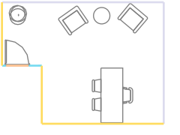 | 1 | GENERAL | Executive Office | executive | 279 | office_xl | 1 | 23.22 | 249.85 | Carpet Light Gray | Drywall | Side (Guest) Chairs W58 X L58: 2, Executive Chairs W58 X L60: 1, Desk Table W80 X L200: 1, Sofa Lounge W75 X L85: 2, Plants Vegetation W64 X L70: 1, Coffee Table Table W60 X L60: 1
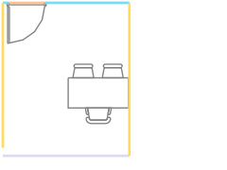 | 1 | GENERAL | Office - Receiving Guests | manager | 254 | office_m | 1 | 10.47 | 112.66 | Carpet Light Gray | Drywall | Desk Table W70 X L140: 1, Executive Chairs W58 X L60: 1
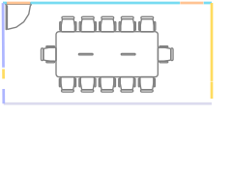 | 1 | GENERAL | Conference | conference | 207 | conference_m | 12 | 26.22 | 282.13 | Carpet Light Gray | Drywall | Conference Table W160 X L360: 1, Conference Chairs W58 X L55: 12
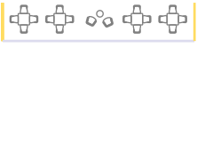 | 1 | GENERAL | Kitchen | employeelounge | 289 | lounge_d700 | 16 | 27.72 | 298.27 | Parquet Herringbone - dark | Black exposed | Side (Guest) Chairs W50 X L60: 2, Kitchen Chairs W50 X L40: 16, Coffee Table Table W40 X L40: 1
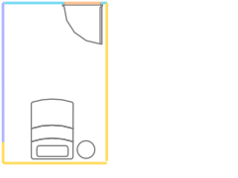 | 1 | GENERAL | Other | wellnessroom | 293 | Wellness_room | 0 | 8.65 | 93.07 | Carpet Light Gray | Drywall | Bed Lounge W140 X L90: 1, Coffee Table Table W40 X L40: 1
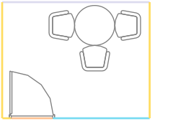 | 1 | GENERAL | Conference | focus | 298 | focus room | 0 | 6.85 | 73.71 | Carpet Light Gray | Drywall | Coffee Table Table W80 X L80: 1, Side (Guest) Chairs W50 X L60: 3
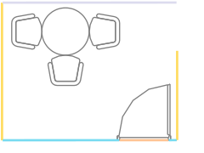 | 1 | GENERAL | Conference | focus | 299 | focus room | 0 | 6.84 | 73.60 | Carpet Light Gray | Drywall | Coffee Table Table W80 X L80: 1, Side (Guest) Chairs W50 X L60: 3
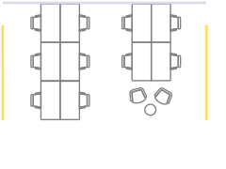 | 1 | GENERAL | Open Space WorkStation | benching140x70 | 149 | benching140x70 | 10 | 31.61 | 340.12 | Parquet Herringbone - dark | Drywall | Workstation Table W70 X L140: 10, Side (Guest) Chairs W50 X L60: 2, Coffee Table Table W40 X L40: 1
 | 1 | GENERAL | Storage Room | storage | 314 | storage | 0 | 8.66 | 93.18 | Carpet Light Gray | Drywall
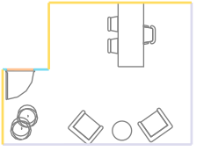 | 1 | GENERAL | Executive Office | executive | 302 | office_xl | 1 | 23.25 | 250.17 | Carpet Light Gray | Drywall | Side (Guest) Chairs W58 X L58: 2, Executive Chairs W58 X L60: 1, Desk Table W80 X L200: 1, Sofa Lounge W75 X L85: 2, Plants Vegetation W64 X L70: 2, Coffee Table Table W60 X L60: 1
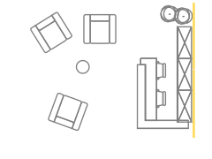 | 1 | GENERAL | Reception | reception | 132 | reception_2p | 5 | 25.39 | 273.20 | Parquet Herringbone - dark | Black exposed | Worker Chairs W58 X L48: 2, Reception Table W160 X L220: 1, Sofa Lounge W90 X L100: 3, Low Storage Storage W45 X L100: 3, Plants Vegetation W50 X L51: 2, Coffee Table Table W40 X L40: 1
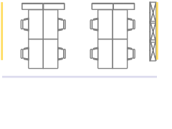 | 1 | GENERAL | Open Space WorkStation | benching140x70 | 252 | benching140x70 | 8 | 26.29 | 282.88 | Parquet Herringbone - dark | Drywall | Workstation Table W70 X L140: 8, Low Storage Storage W30 X L100: 3
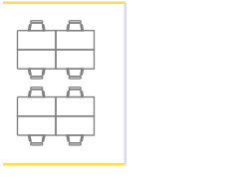 | 1 | GENERAL | Open Space WorkStation | benching140x70 | 308 | benching140x70 | 8 | 26.31 | 283.10 | Parquet Herringbone - dark | Drywall | Workstation Table W70 X L140: 8
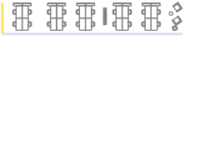 | 1 | GENERAL | Open Space WorkStation | benching140x70 | 240 | benching140x70 | 20 | 73.49 | 790.75 | Parquet Herringbone - dark | Drywall | Workstation Table W70 X L140: 20, Sofa Lounge W75 X L85: 2, Low Storage Storage W30 X L100: 2, Plants Vegetation W50 X L51: 1, Coffee Table Table W40 X L40: 1
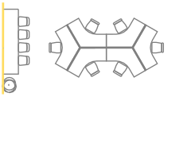 | 1 | GENERAL | Comfort Zone | opencollaboration | 330 | Opencollaboration | 10 | 33.53 | 360.78 | Parquet Herringbone - dark | Drywall | Bar Table W70 X L300: 1, Workstation Table W62 X L210: 6, Plants Vegetation W64 X L70: 1, Conference Chairs W48 X L50: 6, Bar Chairs W60 X L50: 4
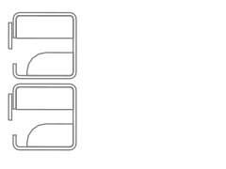 | 1 | GENERAL | Comfort Zone | opencollaboration | 332 | Opencollaboration | 2 | 2.9 | 31.20 | Parquet Herringbone - dark | Drywall | Booth Phonebooths W100 X L105: 2
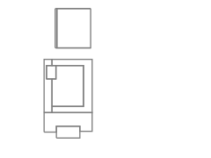 | 1 | GENERAL | Print Hub | printhub | 334 | print_hub | 0 | 2.16 | 23.24 | Parquet Herringbone - dark | Drywall | printer Printhub W61 X L100: 1
 | 1 | GENERAL | Comfort Zone | opencollaboration | 325 | Opencollaboration | 2 | 12.39 | 133.32 | Parquet Herringbone - dark | Drywall | Sofa Lounge W90 X L100: 2, Coffee Table Table W55 X L120: 1
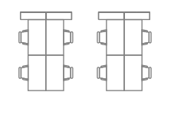 | 1 | GENERAL | Open Space WorkStation | benching140x70 | 336 | benching140x70 | 8 | 27.72 | 298.27 | Parquet Herringbone - dark | Drywall | Workstation Table W70 X L140: 8
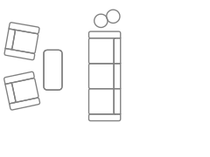 | 1 | GENERAL | Comfort Zone | opencollaboration | 331 | Opencollaboration | 5 | 15.53 | 167.10 | Parquet Herringbone - dark | Drywall | Sofa Lounge W90 X L270: 1, Sofa Lounge W90 X L100: 2, Coffee Table Table W55 X L120: 1, Coffee Table Table W40 X L40: 2
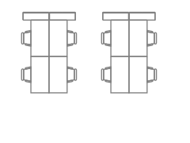 | 1 | GENERAL | Open Space WorkStation | benching140x70 | 335 | benching140x70 | 8 | 28.06 | 301.93 | Parquet Herringbone - dark | Drywall | Workstation Table W70 X L140: 8
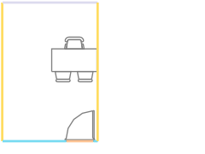 | 1 | GENERAL | Office - Receiving Guests | manager | 339 | office_m | 1 | 12.58 | 135.36 | Carpet Light Gray | Drywall | Desk Table W70 X L140: 1, Executive Chairs W58 X L60: 1
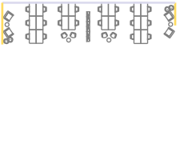 | 1 | GENERAL | Open Space WorkStation | benching140x70 | 337 | benching140x70 | 20 | 75.7 | 814.53 | Parquet Herringbone - dark | Drywall | Workstation Table W70 X L140: 20, Sofa Lounge W75 X L85: 4, Low Storage Storage W30 X L100: 3, Side (Guest) Chairs W50 X L60: 4, Plants Vegetation W50 X L51: 4, Coffee Table Table W40 X L40: 4
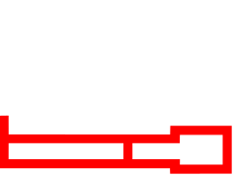 | 1 | NaN | Circulation | NaN | 0 | NaN | 0 | 173.7 | 1869.00 | Parquet Herringbone - dark | Drywall | NaN | NaN | NaN | NaN | NaN | NaN | NaN | NaN | NaN | NaN | NaN | NaN | NaN

